TDOT Region Map
 |  |  | TDOT Region Map

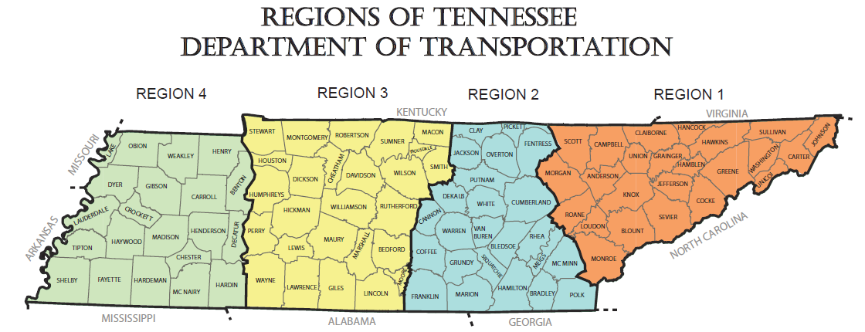
Region 1 East TN | Region 2 Middle TN (East) | Region 3 Middle TN (West) | Region 4 West TN
Anderson | Bledsoe | Bedford | Benton
Blount | Bradley | Cheatham | Carroll
Campbell | Cannon | Davidson | Chester
Carter | Clay | Dickson | Crockett
Claiborne | Coffee | Giles | Decatur
Cocke | Cumberland | Hickman | Dyer
Grainger | DeKalb | Houston | Fayette
Greene | Fentress | Humphreys | Gibson
Hamblen | Franklin | Lawrence | Hardeman
Hancock | Grundy | Lewis | Hardin
Hawkins | Hamilton | Lincoln | Haywood
Jefferson | Jackson | Macon | Henderson
Johnson | Marion | Marshall | Henry
Knox | McMinn | Maury | Lake
Loudon | Meigs | Montgomery | Lauderdale
Monroe | Overton | Moore | Madison
Morgan | Pickett | Perry | McNairy
Roane | Polk | Robertson | Obion
Scott | Putnam | Rutherford | Shelby
Sevier | Rhea | Smith | Tipton
Sullivan | Sequatchie | Stewart | Weakley
Unicoi | Van Buren | Sumner
Union | Warren | Trousdale
Washington | White | Wayne
 | Catoosa County, GA | Williamson
 |  | Wilson
 |  | Christian County, KY

Prompt Pay Discount
Prompt Pay Discounts
Instructions:
Below Respondents will find the cells to enter percentage discounts for Prompt Pay Discounts. Respondents may complete the table with discounts they are willing to extend to the State for processing and payment of invoices in the time period indicated. Respondent should enter the discount percentage in the "Discount %" column (blue cells). If a Respondent does not wish to offer a discount for any or all payment terms, they should enter a zero (0) in the cell(s) they do not wish to discount. Net payment terms refer to the number of days from receipt of a final, correct invoice that the State has to complete payment to the Vendor. Respondent should note that the State standard payment terms are Net 45.

 | Prompt Pay Discounts
 | Payment Terms | Discount %
 | NET 30
 | NET 20
 | NET 15
 | NET 10
 | NET 5

