TDOT Region Map
 |  |  | TDOT Region Map

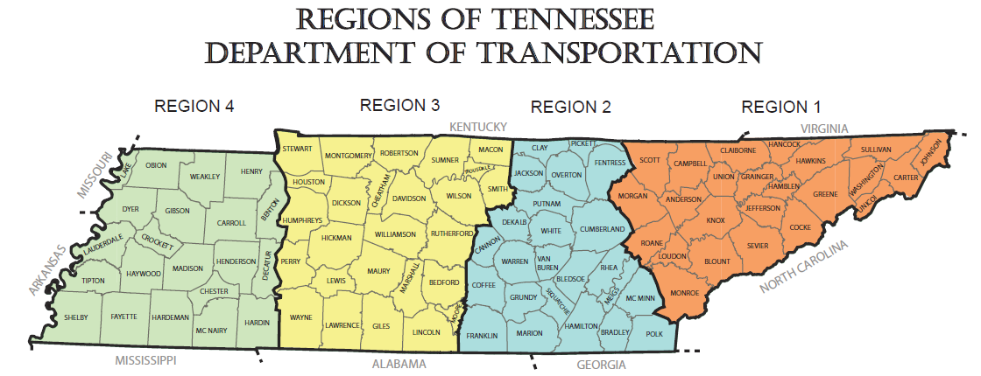
Region 1 East TN | Region 2 Middle TN (East) | Region 3 Middle TN (West) | Region 4 West TN
Anderson | Bledsoe | Bedford | Benton
Blount | Bradley | Cheatham | Carroll
Campbell | Cannon | Davidson | Chester
Carter | Clay | Dickson | Crockett
Claiborne | Coffee | Giles | Decatur
Cocke | Cumberland | Hickman | Dyer
Grainger | DeKalb | Houston | Fayette
Greene | Fentress | Humphreys | Gibson
Hamblen | Franklin | Lawrence | Hardeman
Hancock | Grundy | Lewis | Hardin
Hawkins | Hamilton | Lincoln | Haywood
Jefferson | Jackson | Macon | Henderson
Johnson | Marion | Marshall | Henry
Knox | McMinn | Maury | Lake
Loudon | Meigs | Montgomery | Lauderdale
Monroe | Overton | Moore | Madison
Morgan | Pickett | Perry | McNairy
Roane | Polk | Robertson | Obion
Scott | Putnam | Rutherford | Shelby
Sevier | Rhea | Smith | Tipton
Sullivan | Sequatchie | Stewart | Weakley
Unicoi | Van Buren | Sumner
Union | Warren | Trousdale
Washington | White | Wayne
 | Catoosa County, GA | Williamson
 |  | Wilson
 |  | Christian County, KY

