Welcome
2026 List of Impaired and Threatened Waters in Tennessee

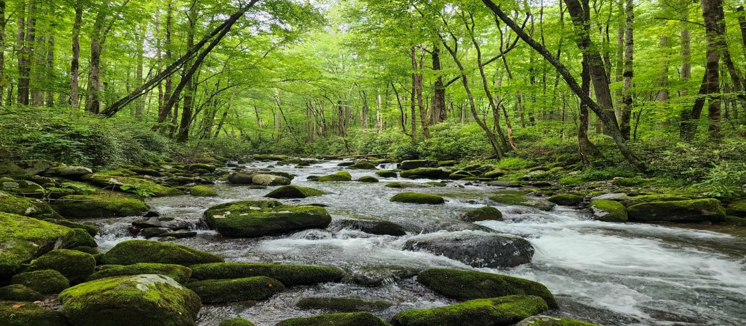
Photo provided by Clayton Mahan

Welcome to Tennessee's 2026 List of Impaired and Threatened Waters
The companion worksheets in this workbook contain watershed specific lists of impaired streams, lakes, reservoirs and other waterbodies. Waters are impaired (polluted) when water quality criteria - Tennessee’s clean water goals - are violated with enough frequency and magnitude that the public’s uses are no longer maintained. Developing this List is a state responsibility, but the U.S. Environmental Protection Agency (EPA) has oversight, review, and approval authority. Tennessee will submit the 2026 version of the list to EPA by April 2026. This version of the list is updated from the 2024 list to include new assessments for Group 1 and Group 2 watersheds. A map of these watersheds is provided in the next tab.
Tennessee’s water quality assessment data are stored in EPA’s Assessment and Total Maximum Daily Load Tracking and Implementation System (ATTAINS). Assessments are geo-referenced and maps are provided online to help users find streams within specific watersheds. Streams are color coded according to their water quality status on the maps. https://tdeconline.tn.gov/dwr/
The spreadsheets contain information about: 1) Waterbody location information including Waterbody Segment ID (ID 305b), Waterbody Name, County or Counties and number of miles or acres in the segment. 2) Uses Impacted and the Pollutant. Classified uses in Tennessee are: fish and aquatic life, recreation, domestic water supply, industrial water supply, irrigation, livestock and wildlife watering, and navigation. The Impaired Cause Name identifies the specific chemical or physical parameters violating water quality criteria. Note: like other states, Tennessee uses the coding and names suggested by EPA for these pollutants. 3) Total Maximum Daily Loading (TMDL) Priority. TMDLs are studies that identify the maximum amount of a pollutant that a body of water can receive while still meeting water quality standards. The TMDL Priority Rationale worksheet tab in this workbook describes how these priorities are selected. A separate worksheet identifies waterbodies chosen for an alternative approach to a TMDL called Advanced Restoration Plan 5R. 4) Sources. As part of the assessment, TDEC identifies the most significant potential sources of a pollutant in an impaired waterbody. Pollutants usually have multiple upstream sources and we review discharge monitoring reports, field notes, aerial photographs, and other data sources to make this decision. For the potential impairment source name, we use EPA’s standardized names and codes for sources.
The primary sources of instream data used to make these assessments decisions come from the Tennessee Department of Environment and Conservation’s monitoring program, complaint investigations, and permitted facility compliance inspections and submitted self-monitoring data.
Additional data used in these assessments were provided by various state, federal, and municipal agencies, and commercial facilities, including : US Environmental Protection Agency (EPA), Tennessee Valley Authority (TVA), US Army Corp of Engineers (USACE), US Geological Survey (USGS), Great Smokey Mountain National Park (GSMNP), National Academy of Science (NAS), Oak Ridge National Laboratory (ORNL), Division of Remediation - Oak Ridge (DOR-OR), Packaging Corporation, Water Association of the Tellico Reservoir (WATeR), Metro Nashville MS4, Montgomery County MS4, Chattanooga MS4, Gallatin MS4, Greenbriar MS4, Hamilton County MS4, Hawkins County MS4, Hendersonville, MS4, Lebanon MS4, Montgomery MS4, Shelbyville MS4, White House MS4, Wilson County MS4, Memphis MS4, City of Cleveland MS4, Bradley County MS4, Big South Fork National Recreation Area and Tennessee Wildlife Resources Agency (TWRA). List may not be all inclusive. TDEC appreciates all of these groups collecting and making their data available.

Map
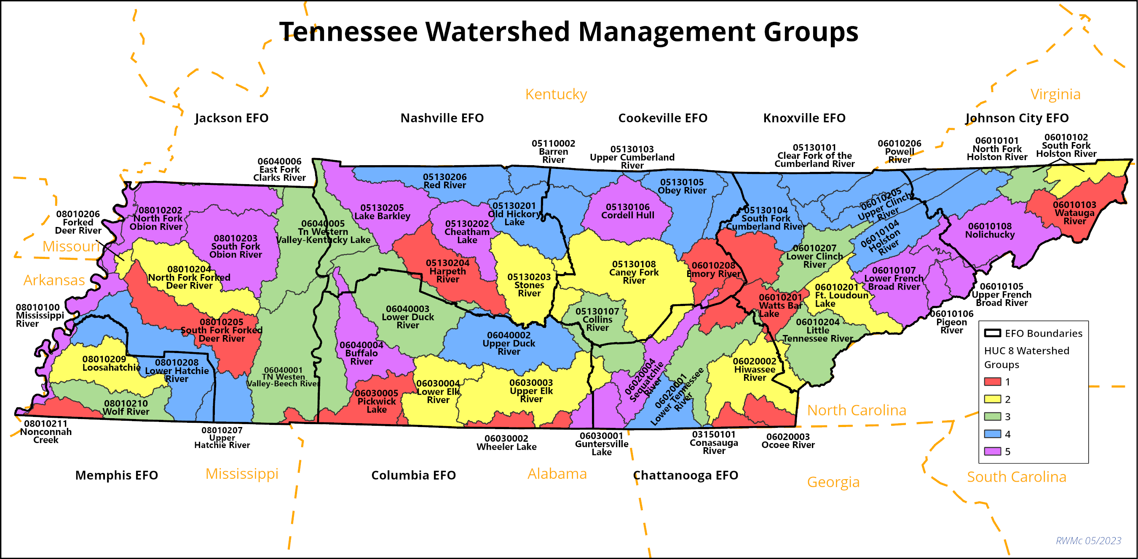
 | Click on Watershed Name below to navigate to Watershed Tabs
 | Watershed Name | Hydrologic Unit Code 8 (HUC8) | Watershed Group
 | Conasauga | 03150101 | 1
 | Barren | 05110002 | 4
 | Cumberland-Upper-Clear Fork | 05130101 | 4
 | Cumberland-Upper-Lake Cumberland, TN | 05130103 | 4
 | Cumberland-South Fork | 05130104 | 4
 | Obey | 05130105 | 4
 | Cumberland-Upper-Cordell Hull Lake | 05130106 | 5
 | Collins | 05130107 | 3
 | Caney Fork | 05130108 | 2
 | Cumberland-Old Hickory Lake | 05130201 | 4
 | Cumberland-Lower-Sycamore (Cheatham Lake) | 05130202 | 5
 | Stones | 05130203 | 2
 | Harpeth | 05130204 | 1
 | Cumberland-Lower-Barkley Lake | 05130205 | 5
 | Red | 05130206 | 4
 | Holston-North Fork | 06010101 | 3
 | Holston-South Fork | 06010102 | 2
 | Holston-South Fork | 06010102 | 3
 | Watauga | 06010103 | 1
 | Holston | 06010104 | 4
 | French Broad-Upper | 06010105 | 5
 | Pigeon | 06010106 | 5
 | French Broad-Lower | 06010107 | 5
 | Nolichucky | 06010108 | 5
 | Watts Bar, Ft Loudoun, Little River (Upper Tennessee) | 06010201 | 1
 | Watts Bar, Ft Loudoun, Little River (Upper Tennessee) | 06010201 | 2
 | Little Tennessee | 06010204 | 3
 | Clinch-Upper | 06010205 | 4
 | Powell | 06010206 | 4
 | Clinch-Lower | 06010207 | 3
 | Emory | 06010208 | 1
 | Nickajack, Chickamauga Reservoirs (Lower Tennessee) | 06020001 | 3
 | Nickajack, Chickamauga Reservoirs (Lower Tennessee) | 06020001 | 4
 | Hiwassee | 06020002 | 2
 | Ocoee | 06020003 | 1
 | Sequatchie | 06020004 | 5
 | Guntersville Reservoir | 06030001 | 5
 | Tennessee-Wheeler | 06030002 | 1
 | Elk-Upper | 06030003 | 2
 | Elk-Lower | 06030004 | 2
 | Tennessee-Pickwick Lake | 06030005 | 1
 | Tennessee Western Valley-Beech | 06040001 | 3
 | Duck-Upper | 06040002 | 4
 | Duck-Lower | 06040003 | 3
 | Buffalo | 06040004 | 5
 | Tennessee Western Valley (Kentucky Lake) | 06040005 | 3
 | East Fork Clark's River | 06040006 | 3
 | Mississippi | 08010100 | 5
 | Obion | 08010202 | 5
 | Obion-South Fork | 08010203 | 5
 | Forked Deer-North Fork | 08010204 | 2
 | Forked Deer-South Fork | 08010205 | 1
 | Forked Deer-Middle Fork | 08010206 | 2
 | Hatchie-Upper | 08010207 | 4
 | Hatchie-Lower | 08010208 | 4
 | Loosahatchie | 08010209 | 2
 | Wolf | 08010210 | 3
 | Nonconnah | 08010211 | 1

