Drainages and EcoRegions
Table 2 from "The Fishes of Tennessee" by David A. Etnier and Wayne C. Starnes

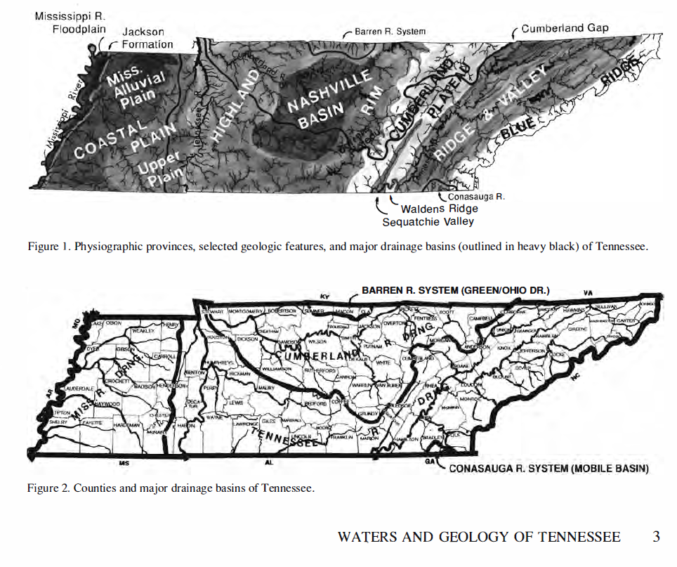

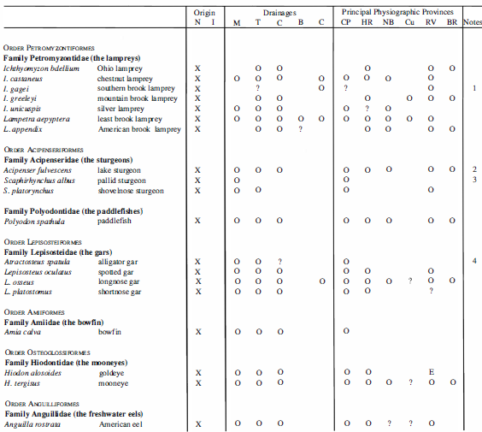

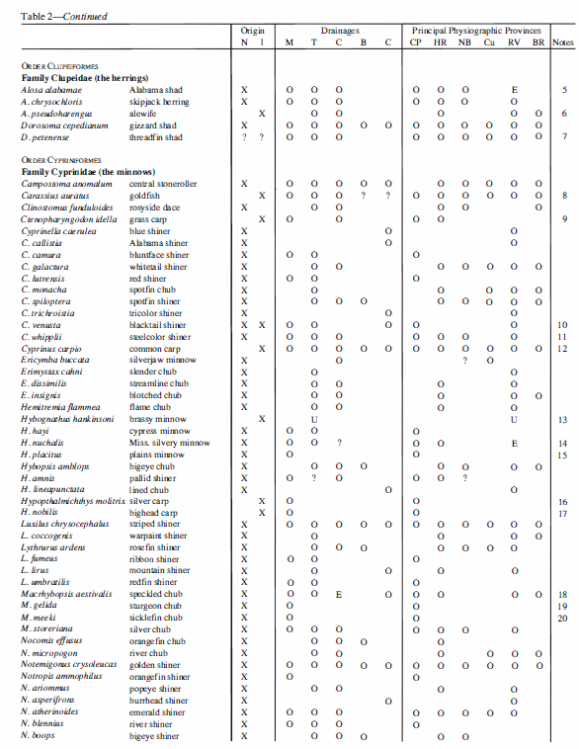

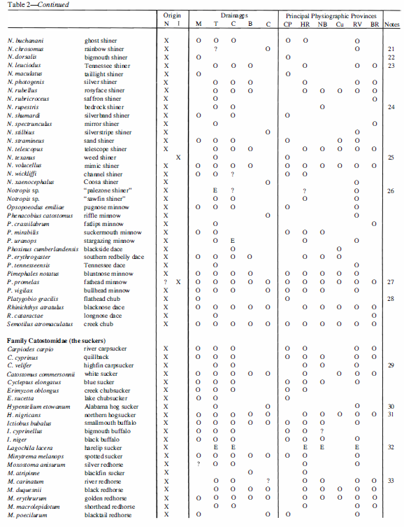

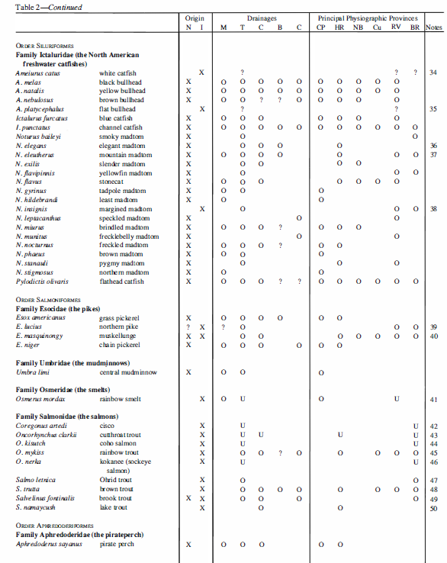

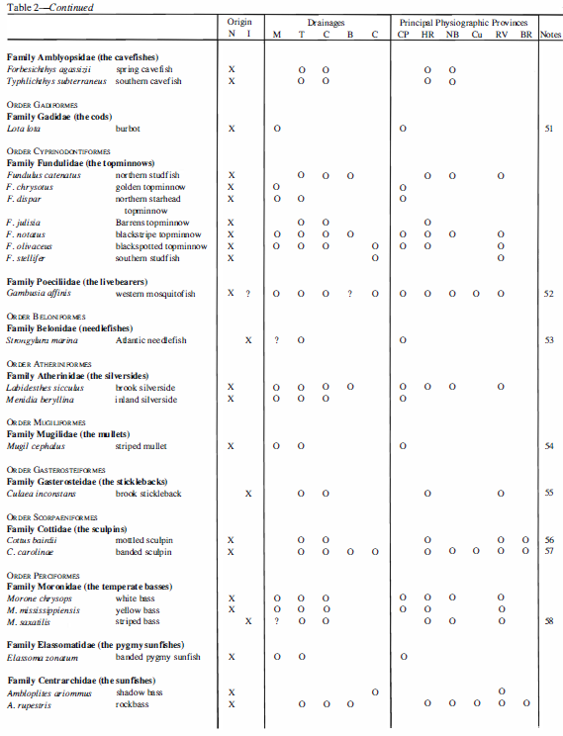

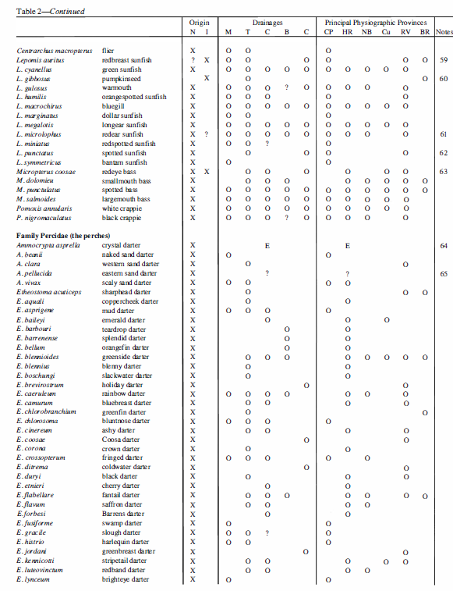

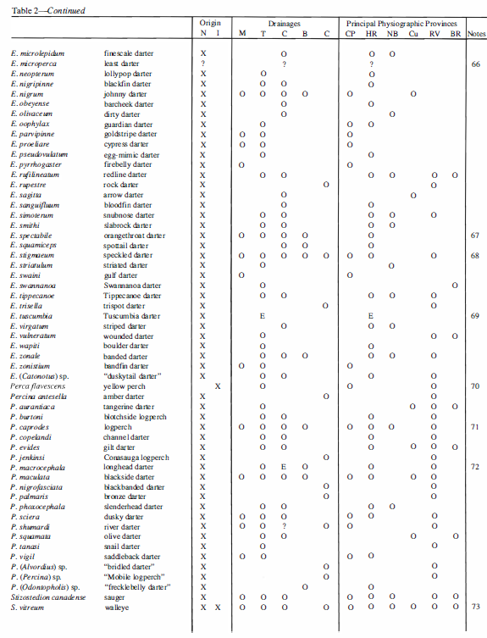

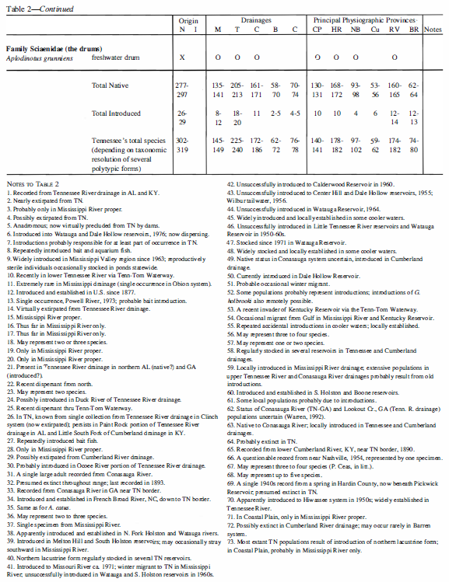

Fish Xing Data
Fish Xing from USDA Forest Service | https://www.fsl.orst.edu/geowater/FX3/help/FX3_Help.html
Updated Feb. 08, 2006 |  |  | Swimming Speeds |  |  |  |  |  |  | Fish Length Information |  |  |  |  |  |  | Length Ratios |  |  | Time to Exhaustion |  |  |  |  |  |  |  |  | Burst Coefficients |  |  | Prolonged Coefficients |  |  | Experimental Methods |  |  | References |  |  | Comments
Scientific Name | Common Name | Swim Category | Min Swim Speed | Max Swim Speed | Swim Speed | Speed Units | Speed Type | Variability | Variability Type | Length Type | Min Length | Max Length | Mean Length | Length Variability | Variability Type | Length Units | Body Depth/ Total Length | Total Length/ Standard Length | Total Length/ Fork Length | Default Time To Exhaust (s) | Min Time to Exhaustion (s) | Max Time To Exhaust (s) | Time Between Increment (s) | Velocity Increments (cm/s) | Swim Time At Max Vel (s) | Leap (y/n) | Temperature (C) | Equation Form | Ba | Bb | Bc | Pa | Pb | Pc | Coeficient Average Over Various Species? | Num Fish Tested | Test Methods | Reference 1 | Data Reference | Other References | Comment 1 | Comments 2 | Fish Origin
Alosa fallax | Twaite shad | Prolonged | NR | 75 | 75 | cm/s | NR | NR | ~ | FL | NR | NR | 29.7 | NR | ~ | cm | 0.23 | 1.20 | 1.13 | 1800 | NR | NR | NR | NR | NR | Y | NR | ~ | ~ | ~ | ~ | ~ | ~ | ~ | ~ | NR | NR | Beamish 1978 | ~ | ~ | ~ | ~ | ~
Alosa sapidissima | American shad | Burst | 243.9 | 411.5 | 327.7 | cm/s | R | NR | ~ | NR | 12 | 14 | NR | NR | ~ | in | 0.25 | 1.19 | 1.13 | 10 | NR | NR | NR | NR | NR | Y | NR | ~ | ~ | ~ | ~ | ~ | ~ | ~ | ~ | NR | Methods unknown. Speeds read from graph in Bell 1991 | Bell 1991 | No data reference | ~ | Fish length assumed to be total length. The swimming speed reported is the center of the range reported by Bell 1991 | ~ | Unknown
Alosa sapidissima | American shad | Burst | 54.9 | 76.2 | 65.55 | cm/s | R | NR | ~ | NR | 1 | 3 | NR | NR | ~ | in | 0.25 | 1.19 | 1.13 | 10 | NR | NR | NR | NR | NR | Y | NR | ~ | ~ | ~ | ~ | ~ | ~ | ~ | ~ | NR | Methods unknown. Speeds read from graph in Bell 1991 | Bell 1991 | No data reference | ~ | Fish length assumed to be total length. The swimming speed reported is the center of the range reported by Bell 1991 | ~ | Unknown
Alosa sapidissima | American shad | Prolonged | 91.5 | 213.4 | 152.45 | cm/s | R | NR | ~ | NR | 12 | 14 | NR | NR | ~ | in | 0.25 | 1.19 | 1.13 | 1800 | NR | NR | NR | NR | NR | Y | NR | ~ | ~ | ~ | ~ | ~ | ~ | ~ | ~ | NR | Methods unknown. Speeds read from graph in Bell 1991 | Bell 1991 | No data reference | ~ | Fish length assumed to be total length. The swimming speed reported is the center of the range reported by Bell 1991 | ~ | Unknown
Alosa sapidissima | American shad | Prolonged | 39.7 | 51.9 | 45.8 | cm/s | R | NR | ~ | NR | 1 | 3 | NR | NR | ~ | in | 0.25 | 1.19 | 1.13 | 1800 | NR | NR | NR | NR | NR | Y | NR | ~ | ~ | ~ | ~ | ~ | ~ | ~ | ~ | NR | Methods unknown. Speeds read from graph in Bell 1991 | Bell 1991 | No data reference | ~ | Fish length assumed to be total length. The swimming speed reported is the center of the range reported by Bell 1991 | ~ | Unknown
Campostoma anomalum | Central stoneroller | Prolonged | 27.91 | 53.56 | 39.9 | cm/s | M | 8.95 | SD | TL | 3.6 | 11 | 6.2 | 1.72 | SD | cm | 0.22 | 1.10 | 1.02 | 120 | NR | NR | 120 | small increments of velocity were used' | NR | ? | NR | ~ | ~ | ~ | ~ | ~ | ~ | ~ | ~ | 31 | Gradually increased velocity until fish 'had difficulty' holding their position | Layher and Ralston [not dated] | ~ | ~ | Layher (1993) reports that he believes that velocities corresponding to 'difficulty holding' could be maintained for 'some time'; and fish would assuredly be able to traverse the short distances involved in passing through culverts. | ~ | ~
Carassius auratus | Goldfish | Burst | NR | NR | Calculated | cm/s | NR | NR | ~ | TL | 6.7 | 21.2 | NR | NR | ~ | cm | 0.28 | 1.23 | 1.07 | 20 | 20 | 20 | NR | NR | NR | Y | 15±3 | V= 5.37 TL^0.66 t^-0.22 V(m/s); TL(m); t(s) | 5.37 | 0.66 | 0.22 | ~ | ~ | ~ | N | 8 | Used mild electric shock to induce burst swimming and measured speeds maintained for a range of times (1 to 20 seconds. | Hunter and Mayor 1986 | Bainbridge 1960 | ~ | Eight goldfish were tested at 6 arbitrarily chosen times (1; 2.5; 3; 5; 10; 15; 20). Swim speed was recorded for each test time. | ~ | ~
Carassius auratus | Goldfish | Burst | 91.5 | 182.9 | 137 | cm/s | R | NR | ~ | NR | 10 | 20.3 | NR | NR | ~ | cm | 0.28 | 1.23 | 1.07 | 10 | NR | NR | NR | NR | NR | Y | 25 | ~ | ~ | ~ | ~ | ~ | ~ | ~ | ~ | NR | Not reported | Bell 1991 | Fry and Hart 1948 | ~ | Bell (1991) cite Fry and Hart (1948) that averaged many measurements sustained for 20 to 25 minutes. The mean weight of the fish tested was 4.37 grams at 25 degrees C. Fish of this size swam an average of 50.8 cm/s. | The reported swim speed is the center of the range reported by Bell 1991. Fish length assumed to be total length. | Unknown
Carassius auratus | Goldfish | Prolonged | 15.2 | 91.4 | 53 | cm/s | R | NR | ~ | NR | 10 | 20.3 | NR | NR | ~ | cm | 0.28 | 1.23 | 1.07 | 1800 | NR | NR | NR | NR | NR | Y | 15 | ~ | ~ | ~ | ~ | ~ | ~ | ~ | ~ | NR | Not reported | Bell 1991 | Fry and Hart 1948 | ~ | Bell (1991) cite Fry and Hart (1948) that averaged many measurements sustained for 20 to 25 minutes. The mean weight of the fish tested was 4.37 grams at 25 degrees C. Fish of this size swam an average of 50.8 cm/s. | The reported swim speed is the center of the range reported by Bell 1991. Fish length assumed to be total length. | Unknown
Catostomus catostomus | Longnose sucker | Burst | 121 | 242 | 181.6 | cm/s | R | NR | ~ | NR | 10 | 40.6 | NR | NR | ~ | cm | 0.15 | 1.15 | 1.05 | 10 | NR | NR | NR | NR | NR | ? | NR | ~ | ~ | ~ | ~ | ~ | ~ | ~ | ~ | NR | Not reported | Bell 1991 | Jones et al. 1974 | ~ | Bell 1991 cites Jones et al. 1974 as the data source and states that 'Alaska data used to extend swimming speed to darting level'; it is not clear how Alaska data were used to estimate burst swimming speeds. | The reported swim speed is the center of the range reported by Bell 1991. Fish length assumed to be total length. | ~
...
 |  | Prolonged | NR | NR | 0.9 | cm/s | R | NR | ~ | NR | NR | NR | 10.2 | NR | ~ | cm | 0.08 | 1.08 | 1.00 | 1800 | NR
 |  | Prolonged | NR | NR | Calculated | cm/s | NR | NR | ~ | FL | 8 | 41 | NR | NR | ~ | cm | 0.17 | 1.15 | 1.08 | 600 | NR
 |  | Prolonged | NR | NR | Calculated | cm/s | NR | NR | ~ | FL | 8 | 41 | NR | NR | ~ | cm | 0.17 | 1.15 | 1.08 | 600 | NR
 |  | Burst | 213 | 426 | 320 | cm/s | R | NR | ~ | FL | 20.3 | 30.5 | NR | NR | ~ | cm | 0.24 | 1.13 | 1.06 | 1 | 1
 |  | Prolonged | NR | NR | Calculated | cm/s | NR | NR | ~ | FL | 7 | 37 | NR | NR | ~ | cm | 0.24 | 1.13 | 1.06 | 600 | NR
 |  | Prolonged | NR | NR | Calculated | cm/s | NR | NR | ~ | FL | 7 | 37 | NR | NR | ~ | cm | 0.24 | 1.13 | 1.06 | 600 | NR
 |  |  |  |  |  |  | M = Mean |  | SE = Standard Error | FL = Fork Length |  |  |  |  | SE = Standard Error |  | BD = Body Depth | TL = Total Length | TL = Total Length
 |  |  |  |  |  |  | ME = Median |  | SD = Standard Deviation | TL = Total Length |  |  |  |  | SD = Standard Deviation |  | TL = Total Length | SL = Standard Length | FL = Fork Length
 |  |  |  |  |  |  | R = Reported Value |  | CI = 95% Confidence Interval | SL = Standard Length |  |  |  |  | CI = 95% Confidence Interval

