Field Form
I. | Reach Information and Stratification
 | Project Name: |  |  |  |  |  |  | Shading Key
 | Reach ID: |  |  |  |  |  |  | Desktop Value
 | Upstream Latitude: |  |  |  |  |  |  | Field Value
 | Upstream Longitude: |  |  |  |  |  |  | Calculation
 | Downstream Latitude:
 | Downstream Longitude:
 | Ecoregion:
 | Drainage Area (sq. mi.):
 | Stream Reach Length (ft):
 | Flow Type:
 | Valley Type:

II. | Reach Walk
A. | Length of Armoring on banks (ft)
 | Total (ft)
 | Percent Armoring (%)

B. | Difference between BKF stage and WS (ft) | Describe the bankfull indicator

III. | Bankfull Verification and Stable Riffle Cross Section
A. | Difference between BKF stage and WS (ft) Average or consensus value from reach walk. |  |  |  |  | Cross Section Measurements Depth measured from bankfull
B. | Bankfull Width (ft) |  |  |  |  | Station | Depth | Station | Depth | W | Average D | Area | W | Average D | Area
C. | Bankfull Mean Depth (ft) = Average of depth measurements |  |  |  |  |  |  |  |  | - | - | -
D. | Bankfull Area (sq. ft.) Width * Mean Depth
E. | Regional Curve Bankfull Width (ft)
F. | Regional Curve Bankfull Mean Depth (ft)
G. | Regional Curve Bankfull Area (sq. ft.)
H. | Curve Used

I. | Flood Prone Width (FPW; ft)
J. | Entrenchment Ratio (ER)
K. | Width Depth Ratio (WDR)
L. | Stream Type

Rosgen, D.L., 1996. Applied River Morphology, Wildland Hydrology Books, Pagosa Springs, Colorado.

Measuring Flood Prone Width (FPW)

IV. | Riffle Data (Floodplain Connectivity & Bed Form Diversity)
A. | Assessment Segment Length At least 20 x the Bankfull Width |  |  |  |  | 20*Bankfull Width

B. | Bank Height & Riffle Data
 |  | R1 | R2 | R3 | R4 | R5 | R6 | R7 | R8
 | Begin Station (Distance along tape)
 | End Station (Distance along tape)
 | Low Bank Height (ft)
 | Bankfull Max Depth (ft)
 | Bankfull Width (ft)
 | Flood Prone Width (ft)
 | Bankfull Mean Depth (ft)
 | Riffle Length (ft) Including Run
 | Bank Height Ratio (BHR) Low Bank H / BKF Max D
 | BHR * Riffle Length (ft)
 | Entrenchment Ratio (ER)
 | ER * Riffle Length (ft)
 | WDR BKF Width / BKF Mean D

IV. | Riffle Data (Continued)
C. | Total Riffle Length (ft)
D. | Weighted BHR

E. | Weighted ER
F. | Maximum WDR
G. | Percent Riffle (%)

V. | Slope
A. |  | Begin | End | Difference |  | Slope (ft/ft)
 | Station along tape (ft)
 | Stadia Rod Reading (ft)

VI. | Stream Type Classification
 |  |  |  | Assessment Segment
A. | Entrenchment Ratio (ft/ft)
B. | Width Depth Ratio (ft/ft)
C. | Channel Material Estimate
D. | Stream Type (Rosgen, 1996)

VII. | Pool Data (Bed Form Diversity)
A. |  | P1 | P2 | P3 | P4 | P5 | P6 | P7 | P8
 | Geomorphic Pool? |  |  |  |  |  |  |  |  | Drop-down
 | Station At maximum pool depth |  |  |  |  |  |  |  |  | G
 | P-P Spacing (ft) | X
 | Pool Spacing Ratio Pool Spacing / BKF Width | X
 | Pool Depth (ft) Measured from Bankfull
 | Pool Depth Ratio Pool depth/BKF mean D

B. | Average Pool Depth Ratio |  | C. | Median Pool Spacing Ratio

VIII. | Large Woody Debris
A. | Number of Pieces per 100m

IX. | Lateral Migration
A. | Bank Data
 | BEHI/NBS Score | Bank Length (ft) |  | BEHI/NBS Score |  |  |  | Bank Length (ft)

B. | Dominant BEHI/NBS Score
C. | Total Eroding Bank Length (ft)
D. | Total Bank Length (ft)
E. | Percent Streambank Erosion (%) Total Eroding Bank Length/ Total Bank Length

X. | Riparian Vegetation

A. | Buffer Width | Buffer Width Measurements (ft) |  |  |  |  |  |  | Avg.
 |  | 1 | 2 | 3 | 4 | 5 | 6 | 7
 | Left (looking downstream)
 | Right (looking downstream)

XI. | Sinuosity

A. | Stream Length (ft)
B. | Valley Length (ft)
C. | Sinuosity
 |  |  |  |  |  |  |  |  |  |  | Drop-down values
XII. | Channel Evolution |  |  |  |  |  |  |  |  |  | 0
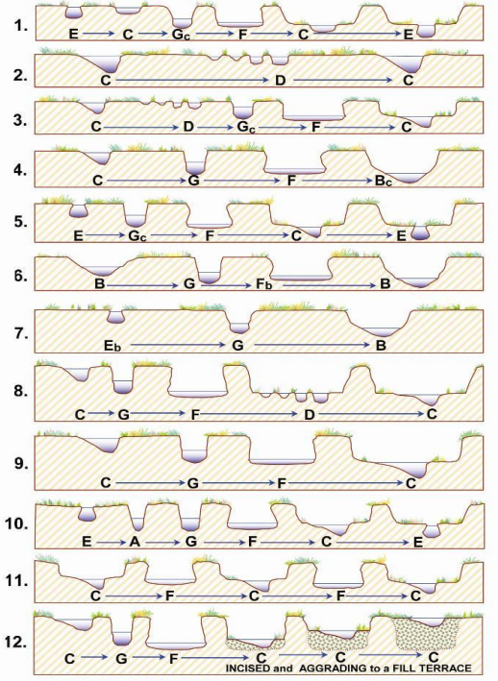
A. | Rosgen Channel Type Succession |  |  |  |  |  |  |  |  |  | 1
 | Simon Channel Evolution Model (Stage) |  |  |  |  |  |  |  |  |  | 2
 |  |  |  |  |  |  |  |  |  |  | 3
 |  |  |  |  |  |  |  |  |  |  | 4
 |  |  |  |  |  |  |  |  |  |  | 5
 |  |  |  |  |  |  |  |  |  |  | 6
 |  |  |  |  |  |  |  |  |  |  | 7
 |  |  |  |  |  |  |  |  |  |  | 8
 |  |  |  |  |  |  |  |  |  |  | 9
 |  |  |  |  |  |  |  |  |  |  | 10
 |  |  |  |  |  |  |  |  |  |  | 11
 |  |  |  |  |  |  |  |  |  |  | 12
 |  |  | Rosgen Channel Type

 | Stream Evolution Model
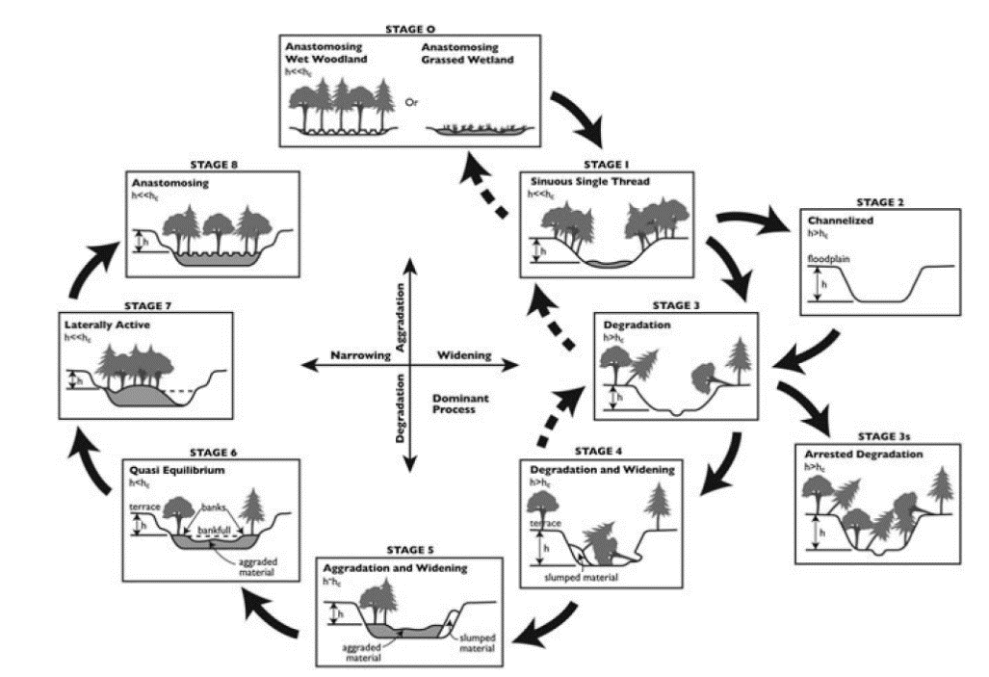

1 | Figure 7-48, Watershed Assessment of River Stability and Sediment Supply (WARSSS), by David L. Rosgen, Wildland Hydrology, 2009, p. 7-175.
2 | B. Cluer, C. Thorne. “A Stream Evolution Model Integrating Habitat and Ecosystem Benefits.” River Research and Applications.2013.

Riparian Veg
Plot ID | Native Cover |  | Saplings DBH (cm) |  | Trees DBH (cm)
 | Herbaceous Strata | Shrub Strata | 0 - 1 | 1 - 2.5 | 2.5 - 5 | 5 - 10 | 10 - 15 | 15 - 20 | 20 - 25 | 25 - 30 | 30 - 35 | 35 - 40 | ≥40 | Plot ID | Plot ID

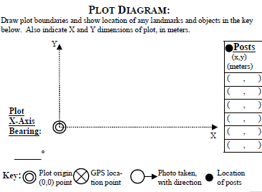
Latitude: Long: |  |  | Notes:

Latitude: Long: |  |  | Notes:

Latitude: Long: |  |  | Notes:

Latitude: Long: |  |  | Notes:
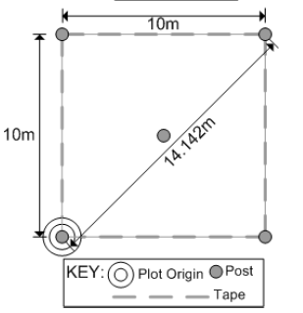

Strata | Height Range (m) |  | Description
Herb | 0-1 |  | Can also include shrubs within height class
Shrub | 1 to 5 |  | Shrubs only, no tree saplings

Note: Latitude and Longitude should be recorded for the point of origin (double circle) fro each plot in decimal degrees

