Instructions
Session 1 Homework: How to differentiate pay in a cost neutral way
The purpose of this homework is to illustrate the effects of implementing some of the redesign ideas proposed at the first workshop with existing compensation budgets and existing personnel.
During the first workshop, we shared 3 ideas to extend the reach of your excellent teachers: 1) Effectiveness Steps, 2) Effectiveness Bands and 3) Differentiated Roles. In this exercise, you will be able to calculate a) what the cost of implementing these ideas might be for your district and b) how you can implement these ideas without additional revenues. Please see the definitions tab for a brief overview of these ideas again or the Session 1 powerpoint for a complete review.
Please note that the estimates used in this spreadsheet are for simulations and only. They are intended to help you begin to think about the financial options available when creating your differentiated pay plan. They are not intended to be recommendations or used in final plans.
For support in completing this exericse, contact your fiscal consultant or Laura Encalade at Laura.Encalade@tn.gov.
Legend
White cells: Enter (or copy and paste) your district data
Grey cells: Do not enter data (these have embedded formulas to automatically calculate output)
What data you need in order to complete this exercise:
1) The distribution of all teachers in your district across the salary schedule. (See tab 1.)
Ideally in Excel or Word format so that the data can be copied and pasted rather than manually inputted in this template.
What data has been entered (from the PIRS and CODE data systems)
A) The salary schedule in your district (See tab 1.)
B) The distribution of all teachers in your district across TEAM evaluation ratings (the number of teachers in Levels 1 through 5). (See tab 2.)
Use for Each Tab
1. Reinvestment Opportunity - Used to calculate the potential short term and long term reinvestment opportunity from "freeing up" education and experience pay to be used for other types of teacher compensation
In order to provide a simplified exercise, the local supplement portion of each opportunity is not shown separately.
2. Effectiveness Steps - Used to calculate the cost of implementing Effectiveness Steps
This template will derive the cost of effectiveness steps to compare to the available opportunity from 1.
3. Effectiveness Bands - Used to calculate the cost of implementing Effectiveness Bands
This template will derive the cost of effectiveness bands to compare to the available opportunity from 1.
4. Roles - Used to calculate the cost of Investing in Differentiated Roles
This template will derive the cost of implementing a variety of roles to compare to the available opportunity from 1.
5. Summary - Provides an overview of key takeaways from ERS' research on these three compensation strategies

Definitions
DEFINITIONS

Reinvestment Opportunity | ERS compares current district expenditures to the state minimum requirements to estimate total reinvestment opportunity, and splits that spending into starting pay,
 | experience pay, and education pay.

 | Short-term Minimum Reinvestment Opportunity: This estimate assumes in the next school year your district maintains its distribution of teachers at their current salary but
 | does not grant any step increases. This captures the minimum reinvestment opportunity that results from "freezing" the salary schedule.

 | Total Maximum Reinvestment Opportunity: The maximum compares the current district expenditures to the state minimum salary requirements.
 | Because teachers cannot make less than they are currently making, the total maximum reinvestment opportunity is realized overtime as a teachers exit the system,
 | and new teachers are brought in at the state minimum salary. This maximum reinvestment opportunity represents is an inflated estimate and should not be taken
 | as a recommendation to reduce your salary schedule to the state minimum.

 | Sample Salary Breakdown for Education Specialist with 5 Years of Experience
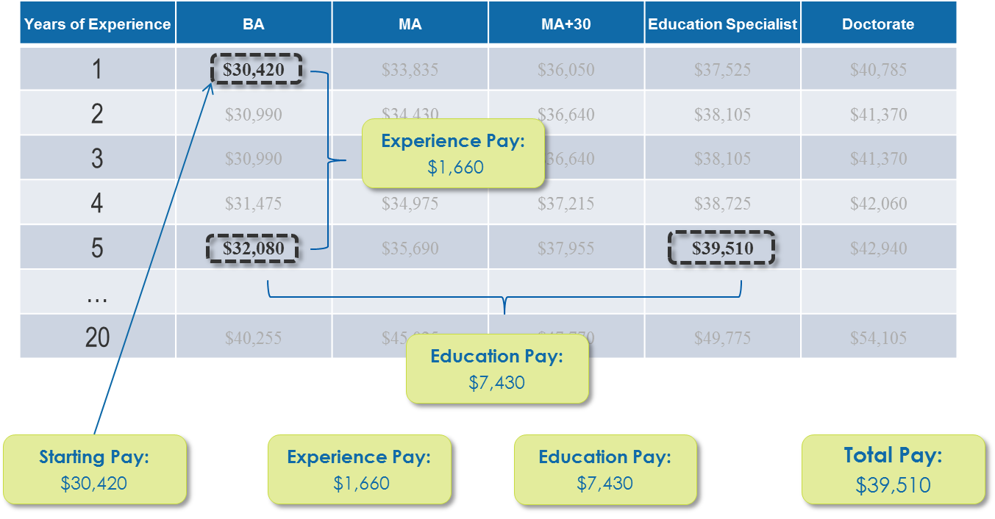

Effectiveness Steps | Small, permanent yearly salary increases for teachers who meet a set performance target.
 | Systems typically replace experience pay when adopting effectiveness steps.

 | Sample Effectiveness Steps:
 | Level 5: $400 per year
 | Level 3 & 4: $315 per year
 | Level 1 & 2: no annual raises

Effectiveness Bands | Larger, permanent increases given to teachers who meet a set of district normed criteria.
 | Teachers then remain in that band unless they fall below a set standard or meet the normed criteria for the next band.
 | Systems typically replace education and/or experience pay to implement 3-5 effectiveness bands.

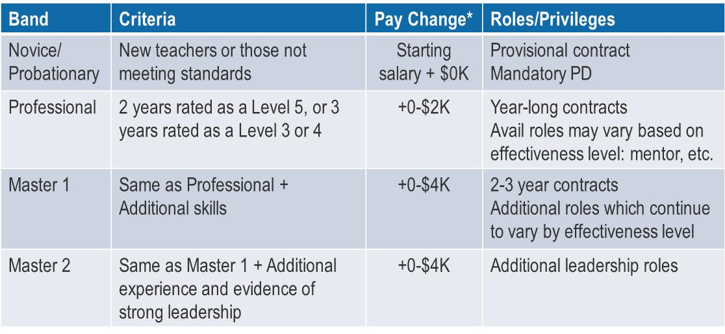
 | Sample Effectiveness Bands:

1. Reinvestment Opportunity
REINVESTMENT OPPORTUNITIES FROM REUSING EDUCATION AND EXPERIENCE PAY
How to use this model: Enter data only into the cells that are white with red text.

Step 1. Select your district from the drop-down menu below.
 |  |  |  | District ID
[Click here to select your district.] |  |  |  | ID

Step 2. Enter the distribution of teacher FTE for your district |  |  |  |  |  | Step 3. ERS has loaded your district's salary schedule (from the state)
 |  |  |  |  |  | Salary data is based off of the 2012-13 school year |  |  |  |  |  |  |  |  |  |  |  | Unhide columns N - R to see salary differences
 | # FTEs |  |  |  |  |  | Education
Years of Experience | BA | MA | MA+ | EDS | PhD | Years of Experience | BA | MA | MA+ | EDS | PhD | Add'l Experience $ per Year | Step Increase from Prev. Yr | Add'l $ for MA | Add'l $ for MA+ | Add'l $ for EDS | Add'l $ for PhD
0 | 5 | 12 | 12 | 12 | 12 | 0 | $30,420 | $33,835 | $36,050 | $37,525 | $40,785 | $0 |  | $3,415 | $5,630 | $7,105 | $10,365 |  | 2850 | 7140 | 7080 | 6960 | 7020
1 | 6 | 13 | 13 | 13 | 13 | 1 | $30,990 | $34,430 | $36,640 | $38,105 | $41,370 | $570 | $570 | $3,440 | $5,650 | $7,115 | $10,380 |  | 0 | 0 | 0 | 0 | 0
2 | 7 | 14 | 14 | 14 | 14 | 2 | $30,990 | $34,430 | $36,640 | $38,105 | $41,370 | $570 | $0 | $3,440 | $5,650 | $7,115 | $10,380 |  | 3395 | 7630 | 8050 | 8680 | 9660
3 | 8 | 15 | 15 | 15 | 15 | 3 | $31,475 | $34,975 | $37,215 | $38,725 | $42,060 | $1,055 | $485 | $3,500 | $5,740 | $7,250 | $10,585 |  | 4840 | 10725 | 11100 | 11775 | 13200
4 | 9 | 16 | 16 | 16 | 16 | 4 | $32,080 | $35,690 | $37,955 | $39,510 | $42,940 | $1,660 | $605 | $3,610 | $5,875 | $7,430 | $10,860 |  | 6030 | 12400 | 13120 | 13280 | 14240
5 | 10 | 17 | 17 | 17 | 17 | 5 | $32,750 | $36,465 | $38,775 | $40,340 | $43,830 | $2,330 | $670 | $3,715 | $6,025 | $7,590 | $11,080 |  | 8600 | 16745 | 17680 | 18700 | 20400
6 | 11 | 18 | 18 | 18 | 18 | 6 | $33,610 | $37,450 | $39,815 | $41,440 | $45,030 | $3,190 | $860 | $3,840 | $6,205 | $7,830 | $11,420 |  | 7755 | 14670 | 15120 | 16020 | 17190
7 | 12 | 19 | 19 | 19 | 19 | 7 | $34,315 | $38,265 | $40,655 | $42,330 | $45,985 | $3,895 | $705 | $3,950 | $6,340 | $8,015 | $11,670 |  | 12060 | 21565 | 22705 | 24035 | 26600
8 | 13 | 20 | 20 | 20 | 20 | 8 | $35,320 | $39,400 | $41,850 | $43,595 | $47,385 | $4,900 | $1,005 | $4,080 | $6,530 | $8,275 | $12,065 |  | 9685 | 16900 | 18000 | 18900 | 20500
9 | 14 | 21 | 21 | 21 | 21 | 9 | $36,065 | $40,245 | $42,750 | $44,540 | $48,410 | $5,645 | $745 | $4,180 | $6,685 | $8,475 | $12,345 |  | 2170 | 3885 | 4095 | 3780 | 3780
10 | 15 | 22 | 22 | 22 | 22 | 10 | $36,220 | $40,430 | $42,945 | $44,720 | $48,590 | $5,800 | $155 | $4,210 | $6,725 | $8,500 | $12,370 |  | 11775 | 19360 | 20460 | 21120 | 22770
11 | 16 | 23 | 23 | 23 | 23 | 11 | $37,005 | $41,310 | $43,875 | $45,680 | $49,625 | $6,585 | $785 | $4,305 | $6,870 | $8,675 | $12,620 |  | 2640 | 3910 | 3795 | 4485 | 4830
12 | 17 | 24 | 24 | 24 | 24 | 12 | $37,170 | $41,480 | $44,040 | $45,875 | $49,835 | $6,750 | $165 | $4,310 | $6,870 | $8,705 | $12,665 |  | 13260 | 21720 | 22920 | 23520 | 25680
13 | 18 | 25 | 25 | 25 | 25 | 13 | $37,950 | $42,385 | $44,995 | $46,855 | $50,905 | $7,530 | $780 | $4,435 | $7,045 | $8,905 | $12,955 |  | 3150 | 5125 | 4625 | 4750 | 4625
14 | 19 | 26 | 26 | 26 | 26 | 14 | $38,125 | $42,590 | $45,180 | $47,045 | $51,090 | $7,705 | $175 | $4,465 | $7,055 | $8,920 | $12,965 |  | 15485 | 23660 | 24960 | 26390 | 28600
15 | 20 | 27 | 27 | 27 | 27 | 15 | $38,940 | $43,500 | $46,140 | $48,060 | $52,190 | $8,520 | $815 | $4,560 | $7,200 | $9,120 | $13,250 |  | 0 | 0 | 0 | 0 | 0
16 | 21 | 28 | 28 | 28 | 28 | 16 | $38,940 | $43,500 | $46,140 | $48,060 | $52,190 | $8,520 | $0 | $4,560 | $7,200 | $9,120 | $13,250 |  | 13650 | 21280 | 22540 | 23800 | 26320
17 | 22 | 29 | 29 | 29 | 29 | 17 | $39,590 | $44,260 | $46,945 | $48,910 | $53,130 | $9,170 | $650 | $4,670 | $7,355 | $9,320 | $13,540 |  | 0 | 0 | 0 | 0 | 0
18 | 23 | 30 | 30 | 30 | 30 | 18 | $39,590 | $44,260 | $46,945 | $48,910 | $53,130 | $9,170 | $0 | $4,670 | $7,355 | $9,320 | $13,540 |  | 15295 | 22950 | 24750 | 25950 | 29250
19 | 24 | 31 | 31 | 31 | 31 | 19 | $40,255 | $45,025 | $47,770 | $49,775 | $54,105 | $9,835 | $665 | $4,770 | $7,515 | $9,520 | $13,850 |  | 0 | 0 | 0 | 0 | 0
20 | 25 | 32 | 32 | 32 | 32 | 20 | $40,255 | $45,025 | $47,770 | $49,775 | $54,105 | $9,835 | $0 | $4,770 | $7,515 | $9,520 | $13,850 |  | 0 | 0 | 0 | 0 | 0
21 | 26 | 33 | 33 | 33 | 33 | 21 | $40,255 | $45,025 | $47,770 | $49,775 | $54,105 | $9,835 | $0 | $4,770 | $7,515 | $9,520 | $13,850 |  | 0 | 0 | 0 | 0 | 0
22 | 27 | 34 | 34 | 34 | 34 | 22 | $40,255 | $45,025 | $47,770 | $49,775 | $54,105 | $9,835 | $0 | $4,770 | $7,515 | $9,520 | $13,850 |  | 0 | 0 | 0 | 0 | 0
23 | 28 | 35 | 35 | 35 | 35 | 23 | $40,255 | $45,025 | $47,770 | $49,775 | $54,105 | $9,835 | $0 | $4,770 | $7,515 | $9,520 | $13,850 |  | 0 | 0 | 0 | 0 | 0
24 | 29 | 36 | 36 | 36 | 36 | 24 | $40,255 | $45,025 | $47,770 | $49,775 | $54,105 | $9,835 | $0 | $4,770 | $7,515 | $9,520 | $13,850 |  | 0 | 0 | 0 | 0 | 0
25 | 30 | 37 | 37 | 37 | 37 | 25 | $40,255 | $45,025 | $47,770 | $49,775 | $54,105 | $9,835 | $0 | $4,770 | $7,515 | $9,520 | $13,850 |  | 0 | 0 | 0 | 0 | 0
26 | 31 | 38 | 38 | 38 | 38 | 26 | $40,255 | $45,025 | $47,770 | $49,775 | $54,105 | $9,835 | $0 | $4,770 | $7,515 | $9,520 | $13,850 |  | 0 | 0 | 0 | 0 | 0
27 | 32 | 39 | 39 | 39 | 39 | 27 | $40,255 | $45,025 | $47,770 | $49,775 | $54,105 | $9,835 | $0 | $4,770 | $7,515 | $9,520 | $13,850 |  | 0 | 0 | 0 | 0 | 0
28 | 33 | 40 | 40 | 40 | 40 | 28 | $40,255 | $45,025 | $47,770 | $49,775 | $54,105 | $9,835 | $0 | $4,770 | $7,515 | $9,520 | $13,850 |  | 0 | 0 | 0 | 0 | 0
29 | 34 | 41 | 41 | 41 | 41 | 29 | $40,255 | $45,025 | $47,770 | $49,775 | $54,105 | $9,835 | $0 | $4,770 | $7,515 | $9,520 | $13,850 |  | 0 | 0 | 0 | 0 | 0
30 | 35 | 42 | 42 | 42 | 42 | 30 | $40,255 | $45,025 | $47,770 | $49,775 | $54,105 | $9,835 | $0 | $4,770 | $7,515 | $9,520 | $13,850

Step 4. Review the total cost metrics
 | Total $ | % of Teacher Salary
Starting Salary | $120,706,560 | 66.9%
Experience | $31,480,655 | 17.4%
Education | $28,232,695 | 15.6%
Total Amount Spent | $180,419,910 | 100.0%

Short Term Minimum Reinvestment Opportunity1 | $1,130,115 | 0.6%
Total Maximum Reinvestment Opportunity2 | $0 | 0.0%

 | 1 [Click here to select your district.] has $1.1M as a short term minimum reinvestment opportunity to spend on teacher compensation reform from reducing experience and/or education pay.

 | 2 [Click here to select your district.] has a total maximum reinvestment opportunity of $0M .

ERS compares current district expenditures to the state minimum requirements to estimate total reinvestment opportunity, and splits that spending into starting pay,
experience pay, and education pay.

Short-term Minimum Reinvestment Opportunity: This estimate assumes in the next school year your district maintains its distribution of teachers at their current salary but
does not grant any step increases. This captures the minimum reinvestment opportunity that results from "freezing" the salary schedule.

Total Maximum Reinvestment Opportunity: The maximum compares the current district expenditures to the state minimum salary requirements.
Because teachers cannot make less than they are currently making, the total maximum reinvestment opportunity is realized overtime as a teachers exit the system,
and new teachers are brought in at the state minimum salary. This maximum reinvestment opportunity represents is an inflated estimate and should not be taken
as a recommendation to reduce your salary schedule to the state minimum.

